Table 1
Published 31 May 2022 Version 2: 24 April 2023
Cod (Gadus morhua) in subdivisions 24–32, eastern Baltic stock (eastern Baltic Sea)
ICES advice on fishing opportunities
ICES advises that when the precautionary approach is applied, there should be zero catch in 2023. This advice applies to all catches from the stock in subdivisions 24–32.
Stock development over time
Spawning-stock size is below Blim and Bpa. No reference points for fishing pressure have been defined for this stock.
Figure 1 Cod in subdivisions 24–32, eastern Baltic stock. Summary of the stock assessment. The assumed recruitment (R) values for 2021 and 2022 are shaded in a lighter colour. Landings since 2017 include landings below minimum conservation reference size (BMS).
Catch scenarios
Table 1 Cod in subdivisions 24–32, eastern Baltic stock. Values in the forecast and for the interim year and.
Variable | Value | Notes
Fages 4–6 (2022) | 0.03 | Fishing mortality based on catch constraint
SSB (2022) | 60,979 | From assessment; tonnes
Rage 0 (2021–2024) | 1,862,290 | Average of 2016–2020; thousands
Mages 4–6 (2022–2024) | 0.78 | Natural mortality estimated in 2021 by the assessment
Total catch (2022) | 2,595 | EU TAC 595 + Russian quota 2 000; tonnes
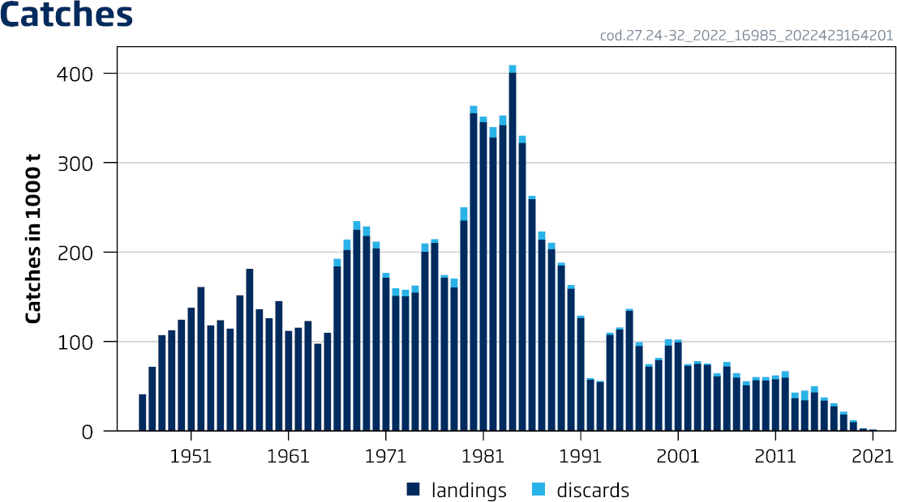
ICES Advice 2022 – cod.27.24-32 – https://doi.org/10.17895/ices.advice.19447874 ICES advice, as adopted by its Advisory Committee (ACOM), is developed upon request

 | 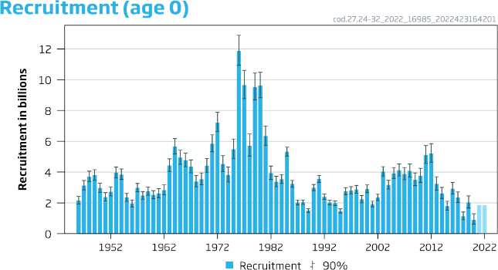
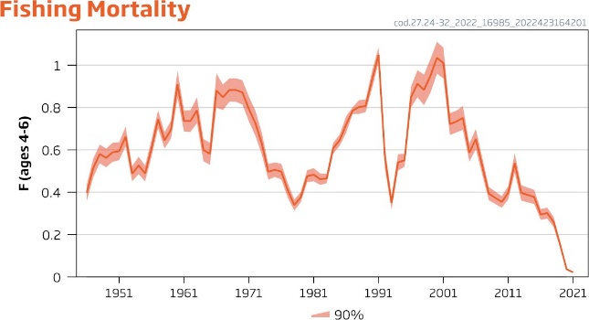
 | 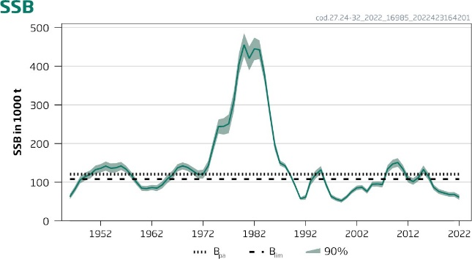

Table 3
Figure 4 Cod in subdivisions 24–32, eastern Baltic stock. Spawning stock biomass (SSB) at spawning time and biomass (B) of commercial sized cod (≥35 cm in length) at the beginning of the year.
The concept of FMSY assuming long-term equilibrium is not presently considered appropriate for this stock due to a large decline in productivity in later years. At the current low productivity the stock is estimated to remain below Blim in the medium term, even with no fishing. Furthermore, fishing at any level will target the remaining few commercial-sized (≥35 cm) cod; this will deteriorate the stock structure further and reduce its reproductive potential.
The eastern Baltic cod stock is mainly distributed and caught in the eastern Baltic cod management area (subdivisions [SDs] 25–32), but it is also distributed and caught mixed with western Baltic cod in SD 24; this is part of the western Baltic management area (SDs 22–24). The assessment and this advice is for the eastern Baltic cod stock in the entire area of its distribution (SDs 24 and 25–32). The proportion of eastern Baltic cod is high in the eastern part of SD 24 and relatively low in its western part.
In EU fisheries the eastern Baltic cod is caught as bycatch only in recent years, mainly in flatfish fisheries. There are gears available that could reduce cod bycatches in flatfish fisheries (Stepputtis et al., 2020); however, these gears are not in use at present. Reducing the bycatch of cod in flatfish fisheries is necessary to enhance the recovery of the cod stocks.
Recreational catches of eastern Baltic cod are considered to be much lower than those of western Baltic cod. The majority were taken by Polish anglers (540 t in 2018*; ICES, 2020). Since 2020, recreational fishing has been prohibited in SDs 25 and 26 and outside six nautical miles from the coast in SD 24; it is therefore assumed that recreational catches of eastern Baltic cod are negligible.
Reference points
Table 4 Cod in subdivisions 24–32, eastern Baltic stock. Reference points, values, and their technical basis.
Framework | Reference point | Value | Technical basis | Source
MSY approach | MSY Btrigger | Undefined |  | ICES (2019)
 | FMSY | Undefined |  | ICES (2019)
Precautionary approach | Blim | 108 036t | SSB in 2012 which produced the last strong year-class, in the recent period of low productivity | ICES (2022a)
 | Bpa | 120 637 t | Blim × exp(1.645 × σ), where σ = 0.07 | ICES (2022a)
 | Flim | Undefined
 | Fpa | Undefined
Management plan | SSBmgt | Undefined
 | Fmgt | Undefined
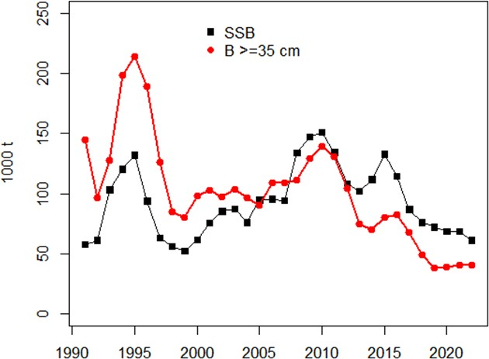
* Version 2: year 2018 specified

